ARK DISCLOSURE


This work is licensed under a Creative Commons Attribution-Non-Commercial 4.0 International License.
You may not use the material for commerical purposes without first obtaining written permission.
2023, ARK Investment Management LLC. All content is original and has been researched and produced by ARK Investment Management LLC ("ARK") unless otherwise stated herein.

This valuation tool is meant to help determine the value of a single security over a five (5) year time horizon. The model works by allowing users to select and/or alter inputs that may affect the resulting output.
This model is inherently limited by its nature, including the assumption of perfectly efficient markets. ARK has used its research to determine what it believes are reasonable ranges for input variables contained within the model.
Please refer to the associated Exact Sciences whitepaper for additional information on the assumptions, methodology, and limitations of the model. The results may vary with each use of the model and over time.
This model relies on historical information of the modeled security, including publicly available financial data and analysis of that data by ARK and by third-parties. Some input values were derived from scientific fact.
The reader is urged to use caution when considering the forecasted performance as it is inherently subjective and reflects ARK's long term positive view of the company.
There is no guarantee that any results will align with the forecasted performance. This tool generates outcomes that are hypothetical in nature.

This material is for informational purposes only and does not constitute, either explicitly or implicitly, any provision of services or products by ARK.
Nothing contained herein constitutes investment, legal, tax or other advice and is not to be relied on in making an investment or other decision.
Investors should determine for themselves whether a particular service or product is suitable for their investment needs or should seek such professional advice for their particular situation.

This material is intended only to provide observations and views of the author(s) at the time of writing, both of which are subject to change at any time without prior notice.
Certain of the statements contained herein are statements of future expectations and other forward-looking statements that are based on ARK's current views and assumptions and involve known and unknown risks conditions.
and uncertainties that could cause actual results, performance or events to differ materially from those expressed or implied in such statements. Past performance is no guarantee of future results.
Equities may decline in value due to both real and perceived general market, economic, and industry conditions.

ARK's statements are not an endorsement of any company or a recommendation to buy, sell, or hold any security. For a list of all purchases and sales made by ARK for client accounts during the past year
that could be considered by the SEC as recommendations, please contact ARK at info@ark-invest.com. It should not be assumed that recommendations made in the future will be profitable or will equal the performance of the securities in this list.
For full disclosures, please go to: https://ark-invest.com/terms-of-use.

While ARK’s current assessment of the subject company may be positive, please note that it may be necessary for ARK to liquidate or reduce position sizes prior to the company attaining any indicated valuation prices due to a variety of conditions including,
but not limited to, client specific guidelines, changing market conditions, investor activity, fundamental changes in the company’s business model and competitive landscape, headline risk, and government/regulatory activity.
Additionally, ARK does not have investment banking or consulting relationship with the subject company.

DASHBOARD
Exact Sciences (EXAS) Model Dashboard
2027 Model Year

This tab summarizes the outputs of our five-year model for Exact Sciences. |  |  |  |  |  |  |  |  |  |  |  | After forecasting components of revenue, we use two different multiple frameworks to value Exact Sciences, as shown in the diagram below.
Using this tab, readers also can select one of three case scenarios: Bull, Base, or Bear. |  |  |  |  |  |  |  |  |  |  |  | We use an industry average EV/EBITDA multiple on Exact's core revenue and an EV/Sales multiple on Exact's nascent, rapidly growing pipeline tests.

Switching the investment case automatically changes several sensitive inputs to the model, |  |  |  |  |  |  |  |  |  |  |  | This quarter, Exact guided to achieving adjusted EBITDA breakeven in Q3 2023.
which we outline at the beginning of the Model Input tab. Readers can use this tab to change any input to the model. |  |  |  |  |  |  |  |  |  |  |  | Because of its competitive position in several large markets, we believe Exact will operate near cashflow neutrality during the latter half of our forecast period.
 |  |  |  |  |  |  |  |  |  |  |  | We want Exact to continue reinvesting to spur growth into these markets instead of optimizing purely for profitability.
Please select an investment case to the right before continuing: |  |  | Base
 |  |  |  |  |  |  |  |  |  |  |  | Assuming negligible EBITDA, using a pure EV/EBITDA mutliple seemed nonsensical.
Like the associated whitepaper, this model is split into three sections that map to Exact Sciences' |  |  |  |  |  |  |  |  |  |  |  | An EV/Sales multiple, however, seemed too lenient and wouldn't account for the quality of Exact's revenue or the efficiencies associated with its core business.
oncology testing businesses: Prevention & Screening, Prognostics & MRD, and Therapy Selection.
 |  |  |  |  |  |  |  |  |  |  |  | As a compromise, we value Exact's on-market tests from the vantage point of an unenthusiastic acquirer planning to shutter the company's nascent and emerging business lines.
Importantly, this is a five-year model. It is not built to provide a smooth, linear path from 2022 to 2027, |  |  |  |  |  |  |  |  |  |  |  | We value Exact's pipeline portfolio using an EV/Sales multiple, which we feel is warrented given these products' collective TAM, expected growth rate, and recurring nature.
but rather to capture what we feel are sensible targets for Exact's testing franchises.

Consolidated Revenue Forecast and Five-Year Valuation
This section includes components of Exact's top line as well as highlighted financials. All units are in thousands of dollars ($) unless otherwise specified.

Components of Revenue |  | 2015 | 2016 | 2017 | 2018 | 2019 | 2020 | 2021 | 2022 | 2027 | 2030 | Notes
Cologuard |  | $39,440 | $99,380 | $266,000 | $454,460 | $876,290 | $815,000 | $1,062,000 | $1,382,000 | $2,985,970 | $3,989,030 | Cologuard revenue includes both stool and blood-based testing in the US.
Oncoguard |  | $- | $- | $- | $- | $- | $- | $- | $3,753 | $59,588 | $154,225 | Oncogurad revenue includes all non-CRC single-cancer screening tests in the US.
Multi-Cancer Earlier Detection |  | $- | $- | $- | $- | $- | $- | $- | $- | $358,389 | $675,591 | MCED revenue includes any multi-cancer screening test commercialized by Exact. This could include reimbursed or patient-pay revenue.
Hereditary Cancer Testing |  | $- | $- | $- | $- | $- | $- | $- | $40,000 | $204,039 | $311,162 | Hereditary cancer testing (HCT) revenue only includes directly billed tests, not tumor-normal sequencing or any other form of hereditary/germline sequencing.
Oncotype DX |  | $286,500 | $327,800 | $341,100 | $394,400 | $445,000 | $441,000 | $562,000 | $600,000 | $1,088,087 | $1,392,745 | Oncotype DX revenue includes any current and future offerings, sample types, or geographies under the named franchise.
Minimal Residual Disease (Informed) |  | $- | $- | $- | $- | $- | $- | $- | $- | $352,434 | $706,935 | While Exact's tumor-informed business outpaces its tumor-naïve business in our model, we view the company's MRD testing service as singular. That is, we're not certain the revenue split will resemble that in our model.
Minimal Residual Disease (Naïve) |  | $- | $- | $- | $- | $- | $- | $- | $- | $14,917 | $59,173
Oncomap |  | $- | $- | $- | $- | $- | $- | $15,629 | $24,388 | $165,818 | $326,713 | Oncomap revenue is clinically-focused.
Oncomap Extra |  | $- | $- | $- | $- | $- | $- | $- | $5,697 | $47,250 | $79,249 | Oncomap Extra is biopharma-focused.
Consolidated, Pro-Forma Revenue |  | $325,940 | $427,180 | $607,100 | $848,860 | $1,321,290 | $1,256,000 | $1,639,629 | $2,055,838 | $5,276,492 | $7,694,824 | This line (Row 27) includes historical revenue from all of Exact's acquisitions (e.g., Genomic Health) regardless of when a company was acquired. We present the data this way to show historical trends of core assets like Oncotype DX.

Core Valuation |  | 2015 | 2016 | 2017 | 2018 | 2019 | 2020 | 2021 | 2022 | 2027 | 2030 | Notes
Revenue |  | $39,440 | $99,380 | $266,000 | $454,460 | $876,290 | $1,491,000 | $1,767,000 | $2,000,000 | $4,074,057 | $5,381,775 | Core revenue includes Cologuard (Blood + Stool) and Oncotype DX (Breast, Colorectal, US, and Ex-US)
Cost of Revenue |  | $24,500 | $45,200 | $78,300 | $116,640 | $216,720 | $354,300 | $485,800 | $600,000 | $1,072,919 | $1,415,081
Core Gross Margin (%) |  | 38% | 55% | 71% | 74% | 75% | 76% | 73% | 70% | 74% | 74% | The weighted sum of product gross margins for core revenue components; we believe Exact will expand core (GAAP) gross margin by 500-700 bps in the next five years via better automation, fixed cost-leverage, improved pricing, and new workflow techniques (e.g. Base Genomics, Ultima Genomics, etc.)
Core Operating Expense(s) |  | $174,050 | $223,200 | $305,010 | $494,750 | $877,320 | $1,212,960 | $2,048,840 | $1,611,800 | $1,698,892 | $1,754,187 | Operating expense (OpEx) and Core OpEx only differ on the R&D line; On its fourth quarter, 2021 earnings call, Exact stated less than 30% of company-wide R&D is spent on core products, giving a better picture of its underlying operating structure
Research & Development (R&D) |  | $33,910 | $33,470 | $42,100 | $67,280 | $139,690 | $141,640 | $385,650 | $395,000 | $504,131 | $583,595 | 2022 R&D is set to grow 4% over 2021; We've kept this rate the same
Core R&D |  |  |  |  |  |  |  |  | $118,500 | $129,874 | $137,217 | Core R&D grows at the same rate as total R&D in our model
Sales & Marketing (S&M) |  | $82,140 | $112,830 | $153,920 | $249,450 | $385,180 | $589,920 | $861,890 | $835,000 | $1,226,889 | $1,545,527 | 2022 S&M is set to shrink by ~6% over 2021; Despite the decrease, we assume S&M will grow 8% per annum through our forecast period
Core S&M |  |  |  |  |  |  |  |  | $818,300 | $836,462 | $847,552 | See Model Input tab.
General & Administrative (G&A) |  | $58,000 | $76,900 | $108,990 | $178,020 | $352,450 | $481,400 | $801,300 | $750,000 | $1,051,914 | $1,288,640 | 2022 G&A is set to shrink by ~3.5% over 2021; Despite the decrease, we assume G&A will grow 7% per annum through our forecast period
Core G&A |  |  |  |  |  |  |  |  | $675,000 | $732,556 | $769,419 | See Model Input tab.
Core EBITDA (Less Non-Cash Expenses) |  | $(159,110) | $(169,020) | $(117,310) | $(156,930) | $(217,750) | $(76,260) | $(767,640) | $(211,800) | $1,302,247 | $2,212,507 | EBITDA does not include stock-based compensation (SBC); we account for SBC in the total share count below
Core Business Enterprise Value |  |  |  |  |  |  |  |  |  | $26,044,935 | $44,250,140 | EV is based on an EV/EBITDA multiple of 20X in our case case; This is below the 24X average sourced from 244 Healthcare Products companies as of January 2022 (Source on Model Input page)

Pipeline Valuation |  | 2015 | 2016 | 2017 | 2018 | 2019 | 2020 | 2021 | 2022 | 2027 | 2030 | Notes
Revenue |  |  |  |  |  |  |  |  | $73,838 | $1,202,435 | $2,313,048 | Pipeline revenue includes everything except Core (Cologuard + Oncotype DX)
Pipeline Enterprise Value |  |  |  |  |  |  |  |  | $443,029 | $7,214,609 | $13,878,291 | EV is based on an EV/Sales multiple of 6X, less than the implied multiple on the core business.

Sum-of-Parts Valuation |  | 2015 | 2016 | 2017 | 2018 | 2019 | 2020 | 2021 | 2022 | 2027 | 2030 | Notes
Combined Enterprise Value |  |  |  |  |  |  |  |  | N/A | $33,259,544 | $58,128,430 | Taken by adding together Core and Pipeline EV
Cash and Equivalents |  |  |  |  |  |  |  |  | $900,000 | $500,000 | $500,000 | Includes cash, marketable securities, and Exact's credit facilities; Exact has guided to EBITDA breakeven in Q3 2023; We expect cashflow breakeven to occur in 2024/25 and that Exact will operate around cashflow neutrality instead of managing towards growing its balance sheet
Total Long Term Debt |  |  |  |  |  |  |  |  | $2,150,000 | $1,085,000 | $- | Exact has three outstanding debt converts that mature in 2025, 2027, and 2028; Based on our share price expectations and Exact's own commentary, we believe these will convert to equity, though many different servicing scenarios are possible
Market Cap |  |  |  |  |  |  |  |  | $7,500,000 | $32,674,544 | $58,628,430
Total Shares Outstanding (Thousands) |  |  |  |  |  |  |  |  | 175,000 | 234,680 | 282,035 | We account for SBC dilution; In '25, '27, and '28, we add dilution from each of three debt-converts (except in the bear case where the converts are out of the money); Please see Note 10 to Exact's Consolidated Financial Statements in the most recent 10-K

 |  |  |  |  |  | Final Highlights |  |  | Base Case | 2027
 |  |  |  |  |  | Current Share Price |  |  |  | $45
 |  |  |  |  |  | 2022 Revenue Guidance |  |  |  | $2,000,000
 |  |  |  |  |  | 2027 Price Target |  |  |  | $139
 |  |  |  |  |  | 5-Year Share Price CAGR (%) |  |  |  | 25%
 |  |  |  |  |  | 2027 Revenue Target |  |  |  | $5,276,492
 |  |  |  |  |  | 5-Year Revenue CAGR (%) |  |  |  | 21%

Dashboard Visuals
This section provides visuals summarizing data from the previous section.

Exact Sciences' Consolidated Revenue Forecast (2027 Target Year)
 | Historical |  | Bull Scenario |  | Base Scenario |  | Bear Scenario
2015 | $39,440 | 2027 | $6,100,000 | 2027 | $5,170,000 | 2027 | $4,040,000
2016 | $99,380 | 2030 | $9,243,000 | 2030 | $7,500,000 | 2030 | $5,500,000
2017 | $266,000
2018 | $454,460
2019 | $876,290
2020 | $1,491,000
2021 | $1,767,000
2022 | $2,000,000
Cologuard and Oncotype DX are Exact Sciences' Primary Revenue Drivers
 | Cologuard |  | Oncotype DX |  | Cologuard Target 2027 |  | Oncotype Target 2027
2014 | $1,798 | 2014 | $276,000 | 2022 | $1,382,000 | 2022 | $600,000
2015 | $39,440 | 2015 | $286,500 | 2027 | $2,985,970 | 2027 | $1,088,087
2016 | $99,380 | 2016 | $327,800
2017 | $266,000 | 2017 | $341,100
2018 | $454,460 | 2018 | $394,400
2019 | $876,290 | 2019 | $445,000
2020 | $815,000 | 2020 | $441,000
2021 | $1,062,000 | 2021 | $562,000
2022 | $1,382,000 | 2022 | $600,000

 | Chart Backend
 | 2027 Bull Case Revenue Target |  |  | $6,100,000
 | 2027 Base Case Revenue Target |  |  | $5,170,000
 | 2027 Bear Case Revenue Target |  |  | $4,040,000
 | 2030 Bull Revenue Target |  |  | $9,243,000
 | 2030 Base Revenue Target |  |  | $7,500,000
 | 2030 Bear Revenue Target |  |  | $5,500,000

Exact Sciences' (EXAS) Annual Revenue Forecast (2015 - 2026)
 | Cologuard | Oncotype DX & Map | Oncoguard | CancerSEEK | Hereditary Cancer | Molecular Residual Disease

2022 Revenue Component Breakdown
2027 Forecasted Revenue Component Breakdown

 |  |  |  |  | Chart Backend |  |  |  |  |  | Chart Backend
 |  |  |  |  | 2022 Revenue Breakdown (Guidance) (Ex-COVID) |  |  | As a Percent (%) |  |  | Cologuard | 57%
 |  |  |  |  | Cologuard |  | $1,370,000 | 68% |  |  | Oncotype DX | 25%
 |  |  |  |  | Oncotype DX |  | $590,000 | 29% |  |  | MRD Total | 7%
 |  |  |  |  | Hereditary Cancer |  | $42,000 | 2% |  |  | Multi-Cancer Earlier Detection | 7%
 |  |  |  |  |  |  |  |  |  |  | Hereditary Cancer Testing | 4%
 |  |  |  |  |  |  |  |  |  |  | Oncoguard | 1%

 |  |  |  |  |  |  |  |  |  |  | Minimal Residual Disease (Informed) | 7%
 |  |  |  |  |  |  |  |  |  |  | Minimal Residual Disease (Naïve) | 0%
 |  |  |  |  |  |  |  |  |  |  | Oncomap | 3%
 |  |  |  |  |  |  |  |  |  |  | Oncomap Extra | 1%
 |  |  |  |  |  |  |  |  |  |  | Oncomap Total | 4%
 |  |  |  |  |  |  |  |  |  |  | Oncotype DX | 21%

PREVENTION & SCREENING
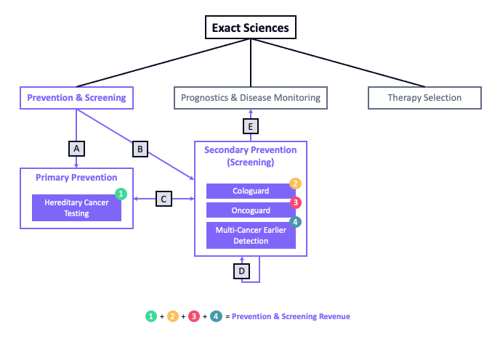
 |  |  |  |  |  | Exact's primary business focuses on the prevention and earlier detection of cancer.
 |  |  |  |  |  | Though Exact has both on-market and in-development tests for patients with a cancer diagnosis, this section focuses on patients without a diagnosis.

 |  |  |  |  |  | As a reminder, primary prevention means stopping a disease before it occurs whereas secondary prevention means detecting a disease as early as possible (when it's the most treatable).
 |  |  |  |  |  | Exact's newly-acquired hereditary cancer testing (HCT) is a form of primary prevention as it gives patients and physicians personalized, genetic information about cancer risk.
 |  |  |  |  |  | Cologuard, Oncoguard, and Multi-Cancer Earlier Detection (MCED) are forms of secondary prevention, enabling physicians to detect the earliest manifestations of cancer.

 |  |  |  |  |  | Though not exhaustive, we've interwoven several, common patient journeys (Lettered Boxes) through Exact's Prevention & Screening portfolio.
 |  |  |  |  |  | A = Some persons, especially those outside cancer screening guidelines, may opt for HCT first. For Exact, this is likely a small amount given the relative immaturity of their HCT commerical channel.
 |  |  |  |  |  | B = Given national reimbursement coverage and guideline inclusion, most patients will begin with a secondary preventive (screening) test such as Cologuard.
 |  |  |  |  |  | C = This pathway is bidirectional. We believe patients beginning with HCT (especially those testing positive) will reflex to a screening test. Meanwhile, some portion of screened patients are likely to
 |  |  |  |  |  | also undergo HCT. This helps personalize any future screening and can flag hereditary cancer risk in families (cascade testing).
 |  |  |  |  |  | D = Persons with a negative screening test typically return to get another screening test depending on the medically-recommended screening interval (~3 years).
 |  |  |  |  |  | E = Persons with a positive screening test are likely to be moved upstream to Exact's prognostic and disease monitoring services, a rational next-step for someone with a cancer diagnosis.

Prevention & Screening Revenue (Thousands $) | 2014 | 2015 | 2016 | 2017 | 2018 | 2019 | 2020 | 2021 | 2022 | 2027 | 2030
Hereditary Cancer Testing (HCT) | $- | $- | $- | $- | $- | $- | $- | $- | $77,736 | $197,111 | $301,690
Cologuard | $1,798 | $39,440 | $99,380 | $266,000 | $454,460 | $876,290 | $815,000 | $1,062,000 | $1,382,000 | $2,985,970 | $3,989,030
Oncoguard | $- | $- | $- | $- | $- | $- | $- | $- | $3,753 | $59,588 | $154,225
CancerSEEK (Multi-Cancer Earlier Detection) | $- | $- | $- | $- | $- | $- | $- | $- | $- | $358,389 | $675,591
Consolidated Revenue | $1,798 | $39,440 | $99,380 | $266,000 | $454,460 | $876,290 | $815,000 | $1,062,000 | $1,463,489 | $3,601,057 | $5,120,537

Hereditary Cancer Testing (HCT) | 2014 | 2015 | 2016 | 2017 | 2018 | 2019 | 2020 | 2021 | 2022 | 2027 | 2030
Core Screening and Prognostic Unit Volume (US-Only) (Forecast) |  |  |  |  |  |  |  |  | 3,109,440 | 6,480,422 | 8,817,691
HCT ASP Forecast (Dollars $) |  |  |  |  |  |  |  |  | $500 | $608 | $684
HCT Unit Volume Forecast |  |  |  |  |  |  |  |  | 155,472 | 324,021 | 440,885
HCT Revenue Forecast (Thousands $) |  |  |  |  |  |  |  |  | $77,736 | $197,111 | $301,690

Cologuard (Colorectal Cancer Screening) | 2014 | 2015 | 2016 | 2017 | 2018 | 2019 | 2020 | 2021 | 2022 | 2027 | 2030
Historical Unique Ordering Physicians | 4,100 | 27,000 | 60,000 | 84,000 | 147,000 | 197,000 | 227,000 | 260,000
Historical Unit Volume | 4,100 | 104,000 | 244,000 | 572,000 | 934,000 | 1,680,000 | 1,561,303 | 2,034,483
Historical Revenue (Thousands $) | $1,798 | $39,440 | $99,380 | $266,000 | $454,460 | $876,290 | $815,000 | $1,062,000
Implied ASP (Dollars $) | $439 | $379 | $407 | $465 | $487 | $522 | $522 | $522
Unique Ordering Physicians Forecast |  |  |  |  |  |  |  |  | 325,000 | 325,000 | 325,000
Unique Ordering Physicians (Rolling 6-Month Avg.) | 2,050 | 15,550 | 43,500 | 72,000 | 115,500 | 172,000 | 212,000 | 243,500 | 292,500 | 325,000 | 325,000
Units per Unique Ordering Physicians (Rolling 6-Mo. Avg.) | 2 | 7 | 6 | 8 | 8 | 10 | 7 | 8 | 13 | 19 | 23
ASP Forecast (Dollars $) |  |  |  |  |  |  |  |  | $500 | $500 | $500
Unit Volume Forecast (Classical Adoption) |  |  |  |  |  |  |  |  | 3,670,875 | 6,191,250 | 7,458,750
Revenue Forecast (Classical Adoption) (Thousands $) |  |  |  |  |  |  |  |  | $1,835,438 | $3,095,625 | $3,729,375
Market Adoption (Tech Diffusion Curve) (%) | 1% | 1% | 1% | 1% | 2% | 2% | 3% | 4% | 5% | 16% | 24%
Unit Volume Forecast (Tech Diffusion) |  |  |  |  |  |  |  |  | 1,866,628 | 5,642,975 | 8,757,025
Revenue Forecast (Tech Diffusion Curve) (Thousands $) |  |  |  |  |  |  |  |  | $933,314 | $2,821,487 | $4,378,513
Blended Unit Volume Forecast (Both Models) |  |  |  |  |  |  |  |  | 2,949,176 | 5,971,940 | 7,978,060
Blended Revenue Forecast (Both Models) (Thousands $) |  |  |  |  |  |  |  |  | $1,382,000 | $2,985,970 | $3,989,030

Oncoguard (Non-CRC Single-Cancer Screening) | 2014 | 2015 | 2016 | 2017 | 2018 | 2019 | 2020 | 2021 | 2022 | 2027 | 2030
Hepatocellular Carcinoma (HCC) Diffusion Adoption (%) |  |  |  |  |  |  |  |  | 1% | 8% | 20%
HCC Unit Volume Forecast |  |  |  |  |  |  |  |  | 15,014 | 109,770 | 260,000
HCC ASP Forecast (Dollars $) |  |  |  |  |  |  |  |  | $250 | $276 | $293
HCC Revenue Forecast (Thousands $) |  |  |  |  |  |  |  |  | $3,753 | $30,299 | $76,158
Esophageal Diffusion Adoption (%) |  |  |  |  |  |  |  |  |  | 2% | 6%
Eso. Unit Volume Forecast |  |  |  |  |  |  |  |  |  | 22,000 | 64,550
Eso. ASP Forecast (Dollars $) |  |  |  |  |  |  |  |  |  | $849 | $901
Eso. Revenue Forecast (Thousands $) |  |  |  |  |  |  |  |  |  | $18,677 | $58,155
Ovarian Diffusion Adoption (%) |  |  |  |  |  |  |  |  |  | 1% | 1%
Ovarian Unit Volume Forecast |  |  |  |  |  |  |  |  |  | 100,000 | 176,818
Ovarian ASP Forecast (Dollars $) |  |  |  |  |  |  |  |  |  | $106 | $113
Ovarian Revenue Forecast (Thousands $) |  |  |  |  |  |  |  |  |  | $10,612 | $19,913
Blended Oncoguard Revenue Forecast (Thousands $) |  |  |  |  |  |  |  |  | $3,753 | $59,588 | $154,225

CancerSEEK (Multi-Cancer Earlier Detection) | 2014 | 2015 | 2016 | 2017 | 2018 | 2019 | 2020 | 2021 | 2022 | 2027 | 2030
Pre-Approval Diffusion Adoption (%) |  |  |  |  |  |  |  |  |  | 2% | 3%
Pre-Approval Unit Volume Forecast |  |  |  |  |  |  |  |  |  | 82,673 | 179,721
Pre-Approval (Patient Pay) ASP Forecast (Dollars $) |  |  |  |  |  |  |  |  |  | $800 | $800
Pre-Approval Revenue Forecast (Thousands $) |  |  |  |  |  |  |  |  |  | $66,138 | $143,777
Post-Approval Diffusion Adoption (%) |  |  |  |  |  |  |  |  |  | 1% | 2%
Post-Approval Unit Volume Forecast |  |  |  |  |  |  |  |  |  | 649,446 | 1,181,810
Post-Approval (Reimbursed) ASP Forecast (Dollars $) |  |  |  |  |  |  |  |  |  | $450 | $450
Post-Approval Revenue Forecast (Thousands $) |  |  |  |  |  |  |  |  |  | $292,251 | $531,814
Blended Unit Volme Forecast |  |  |  |  |  |  |  |  |  | 732,118 | 1,361,531
Blended Revenue Forecast (Thousands $) |  |  |  |  |  |  |  |  |  | $358,389 | $675,591

PROGNOSTICS & MRD
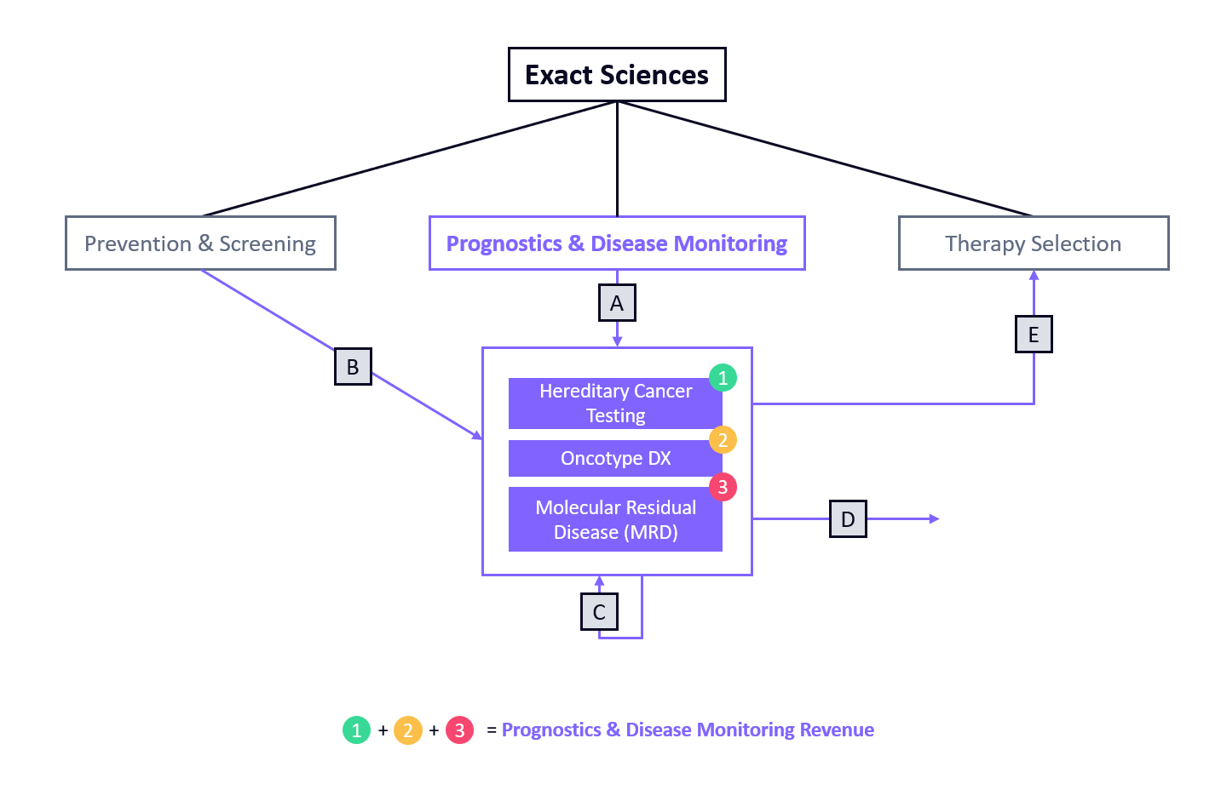

 |  |  |  |  |  |  | Following its acquisition of Genomic Health in 2019, Exact Sciences became a dominant, global provider of molecular prognostic tests.
 |  |  |  |  |  |  | This section covers Exact's Oncotype DX franchise and its forthcoming minimal residual disease tests, which also are indicated for use with early-stage solid tumor patients.

 |  |  |  |  |  |  | Though not exhaustive, we've interwoven several, common patient journeys (Lettered Boxes) through Exact's Prognostics & MRD portfolio.
 |  |  |  |  |  |  | A = The majority of patients entering Exact's prognostic funnel likely will begin with Oncotype DX following an early-stage cancer diagnosis. Many of these may also receive hereditary testing and/or MRD testing.
 |  |  |  |  |  |  | B = Some patients whom test positive with a screening test are likely to continue their cancer treatment with Exact as their diagnostic provider.
 |  |  |  |  |  |  | C = During and after treatment, patients will continue to receive MRD tests to monitor their disease.
 |  |  |  |  |  |  | D = Patients who go into long-term remission may exit surveillance monitoring.
 |  |  |  |  |  |  | E = Patients with more aggressive cancers may go on to receive a more comprehensive therapy selection test.

Prognostics & Disease Monitoring Revenue (Thousands $) | 2014 | 2015 | 2016 | 2017 | 2018 | 2019 | 2020 | 2021 | 2022 | 2027 | 2030
Oncotype | $276,000 | $286,500 | $327,800 | $341,100 | $394,400 | $445,000 | $441,000 | $562,000 | $600,000 | $1,088,087 | $1,392,745
Tumor-Naïve MRD | $- | $- | $- | $- | $- | $- | $- | $- | $- | $14,917 | $59,173
Tumor-Informed MRD | $- | $- | $- | $- | $- | $- | $- | $- | $- | $352,434 | $706,935
Consolidated Revenue | $276,000 | $286,500 | $327,800 | $341,100 | $394,400 | $445,000 | $441,000 | $562,000 | $600,000 | $1,455,439 | $2,158,853

Hereditary Cancer Testing (HCT) | 2014 | 2015 | 2016 | 2017 | 2018 | 2019 | 2020 | 2021 | 2022 | 2027 | 2030
Core Prognostic Unit Volume (US-Only) (Forecast) |  |  |  |  |  |  |  |  | 145,250 | 227,775 | 276,824
HCT ASP Forecast (Dollars $) |  |  |  |  |  |  |  |  | $500 | $608 | $684
HCT Unit Volume Forecast |  |  |  |  |  |  |  |  | 7,263 | 11,389 | 13,841
HCT Revenue Forecast (Thousands $) |  |  |  |  |  |  |  |  | $3,631 | $6,928 | $9,471

Oncotype Forecast (US-Only) | 2014 | 2015 | 2016 | 2017 | 2018 | 2019 | 2020 | 2021 | 2022 | 2027 | 2030
Organic Market Adoption (%) | 10% | 12% | 15% | 18% | 21% | 24% | 27% | 31% | 35% | 53% | 60%
Annual ASP ($) | $3,000 | $3,030 | $3,060 | $3,091 | $3,122 | $3,153 | $3,185 | $3,216 | $3,249 | $3,414 | $3,518
Revenue (Historical, $K) | $231,000 | $245,000 | $281,000 | $288,000 | $335,000 | $387,000 | $364,000 | $452,000
Modeled Revenue Trend ($K) | $128,170 | $155,638 | $187,668 | $224,477 | $266,088 | $312,274 | $362,528 | $416,063 | $471,855 | $743,886 | $871,613
Volume Trend | 42,723 | 51,366 | 61,323 | 72,625 | 85,235 | 99,039 | 113,839 | 129,357 | 145,250 | 217,875 | 247,777
Cancers Discovered Through Screening |  |  |  |  |  |  |  |  | 14,044 | 40,640 | 60,683
Screen-Attached Incremental Revenue ($K) |  |  |  |  |  |  |  |  | $18,249 | $55,502 | $85,387
Total Revenue Trend ($K) | $231,000 | $246,000 | $280,100 | $287,700 | $334,700 | $398,000 | $364,000 | $452,000 | $490,104 | $799,388 | $956,999
YoY Growth (%) |  |  |  |  |  |  |  |  | 8% | 8% | 5%
Oncotype Forecast (OUS-Only) | 2014 | 2015 | 2016 | 2017 | 2018 | 2019 | 2020 | 2021 | 2022 | 2027 | 2030
Organic Market Adoption (%) | 1% | 1% | 1% | 1% | 1% | 2% | 2% | 2% | 3% | 6% | 8%
Annual ASP ($) | $1,350 | $1,377 | $1,405 | $1,433 | $1,461 | $1,491 | $1,520 | $1,551 | $1,582 | $1,746 | $1,853
Revenue (Historical, $K) | $45,000 | $41,500 | $46,800 | $53,100 | $59,400 | $58,000 | $77,000 | $110,000
Volume Trend | 33,333 | 30,138 | 33,321 | 37,065 | 40,649 | 38,913 | 50,647 | 70,935 | 81,829 | 165,314 | 235,124
Modeled Revenue Trend ($K) | $30,180 | $36,438 | $43,937 | $52,898 | $63,573 | $76,244 | $91,219 | $108,833 | $129,433 | $288,699 | $435,746
YoY Growth (%) |  |  |  |  |  |  |  | 19% | 19% | 16% | 14%
Consolidated Oncotype Revenue | $276,000 | $286,500 | $327,800 | $341,100 | $394,400 | $445,000 | $441,000 | $562,000 | $619,536 | $1,088,087 | $1,392,745

Tumor-Informed Forecast | 2014 | 2015 | 2016 | 2017 | 2018 | 2019 | 2020 | 2021 | 2022 | 2027 | 2030 | MOLECULAR RESIDUAL DISEASE
Primary Tissue Market Adoption (%) |  |  |  |  |  |  |  |  |  | 1% | 3% | Fixed MRD Cohort Mechanics
Organic Volume Trend |  |  |  |  |  |  |  |  |  | 7,920 | 23,238 | Let f(x) = mx + b; Where…
Cancers Detected Through Screening |  |  |  |  |  |  |  |  |  | 40,640 | 60,683 | Slope (m) | -0.03
Total Volume Trend |  |  |  |  |  |  |  |  |  | 56,857 | 84,678 | Intercept (b) | 0.95
Annual ASP ($) |  |  |  |  |  |  |  |  |  | $2,165 | $2,297 | 1 | 92%
Revenue Trend ($K) |  |  |  |  |  |  |  |  |  | $123,088 | $194,536 | 2 | 89%
Cohort Years |  |  |  |  |  |  |  |  |  | 4 | 7 | 3 | 85%
2023 Cohort Surveillance Tests |  |  |  |  |  |  |  |  |  | 27,141 | 24,227 | 4 | 83%
2024 Cohort Surveillance Tests |  |  |  |  |  |  |  |  |  | 30,580 | 27,298 | 5 | 80%
2025 Cohort Surveillance Tests |  |  |  |  |  |  |  |  |  | 36,723 | 32,780 | 6 | 77%
2026 Cohort Surveillance Tests |  |  |  |  |  |  |  |  |  | 41,507 | 37,051 | 7 | 74%
2027 Cohort Surveillance Tests |  |  |  |  |  |  |  |  |  | 47,032 | 41,983 | 8 | 71%
2028 Cohort Surveillance Tests |  |  |  |  |  |  |  |  |  | 53,515 | 47,770 | 9 | 68%
2029 Cohort Surveillance Tests |  |  |  |  |  |  |  |  |  | 61,155 | 54,590 | 10 | 65%
2030 Cohort Surveillance Tests |  |  |  |  |  |  |  |  |  | 70,045 | 62,526
Surveillance Volume Trend |  |  |  |  |  |  |  |  |  | 216,118 | 454,996
Annual ASP ($) |  |  |  |  |  |  |  |  |  | $1,061 | $1,126
Surveillance Revenue Trend ($K) |  |  |  |  |  |  |  |  |  | $229,346 | $512,400
Combined Tumor-Informed Volume |  |  |  |  |  |  |  |  |  | 332,097 | 705,732
Combined Tumor-Informed Revenue ($K) |  |  |  |  |  |  |  |  |  | $352,434 | $706,935
YoY Growth (%) |  |  |  |  |  |  |  |  |  | 33% | 24%
Tumor-Naïve Forecast | 2014 | 2015 | 2016 | 2017 | 2018 | 2019 | 2020 | 2021 | 2022 | 2027 | 2030
Primary Blood Market Adoption (%) |  |  |  |  |  |  |  |  |  | 1% | 3%
Volume Trend |  |  |  |  |  |  |  |  |  | 1,980 | 5,809
Annual ASP ($) |  |  |  |  |  |  |  |  |  | $2,653 | $2,815
Revenue Trend ($K) |  |  |  |  |  |  |  |  |  | $5,253 | $16,356
Cohort Years |  |  |  |  |  |  |  |  |  | 3 | 6
2024 Cohort Surveillance Tests |  |  |  |  |  |  |  |  |  | 486 | 439
2025 Cohort Surveillance Tests |  |  |  |  |  |  |  |  |  | 742 | 671
2026 Cohort Surveillance Tests |  |  |  |  |  |  |  |  |  | 1,125 | 1,016
2027 Cohort Surveillance Tests |  |  |  |  |  |  |  |  |  | 1,683 | 1,521
2028 Cohort Surveillance Tests |  |  |  |  |  |  |  |  |  | 2,475 | 2,236
2029 Cohort Surveillance Tests |  |  |  |  |  |  |  |  |  | 3,553 | 3,210
2030 Cohort Surveillance Tests |  |  |  |  |  |  |  |  |  | 4,938 | 4,462
Surveillance Volume Trend |  |  |  |  |  |  |  |  |  | 3,716 | 15,512
Annual ASP ($) |  |  |  |  |  |  |  |  |  | $2,601 | $2,760
Surveillance Revenue Trend ($K) |  |  |  |  |  |  |  |  |  | $9,664 | $42,817
Combined Tumor-Naïve Volume |  |  |  |  |  |  |  |  |  | 5,696 | 21,322
Combined Tumor-Naïve Revenue ($K) |  |  |  |  |  |  |  |  |  | $14,917 | $59,173
YoY Growth (%) |  |  |  |  |  |  |  |  |  | 76% | 52%
Consolidated MRD Volume and Revenue | 2014 | 2015 | 2016 | 2017 | 2018 | 2019 | 2020 | 2021 | 2022 | 2027 | 2030
Tumor-Informed Volume |  |  |  |  |  |  |  |  |  | 332,097 | 705,732
Tumor-Naïve Volume |  |  |  |  |  |  |  |  |  | 5,696 | 21,322
Total MRD Volume |  |  |  |  |  |  |  |  |  | 337,792 | 727,054
YoY Growth (%) |  |  |  |  |  |  |  |  |  | 43% | 25%
Tumor-Informed Revenue ($K) |  |  |  |  |  |  |  |  |  | $352,434 | $706,935
Tumor-Naïve Revenue ($K) |  |  |  |  |  |  |  |  |  | $14,917 | $59,173
Total MRD Revenue ($K) |  |  |  |  |  |  |  |  |  | $367,351 | $766,108
YoY Growth (%) |  |  |  |  |  |  |  |  |  | 34% | 26%

THERAPY SELECTION
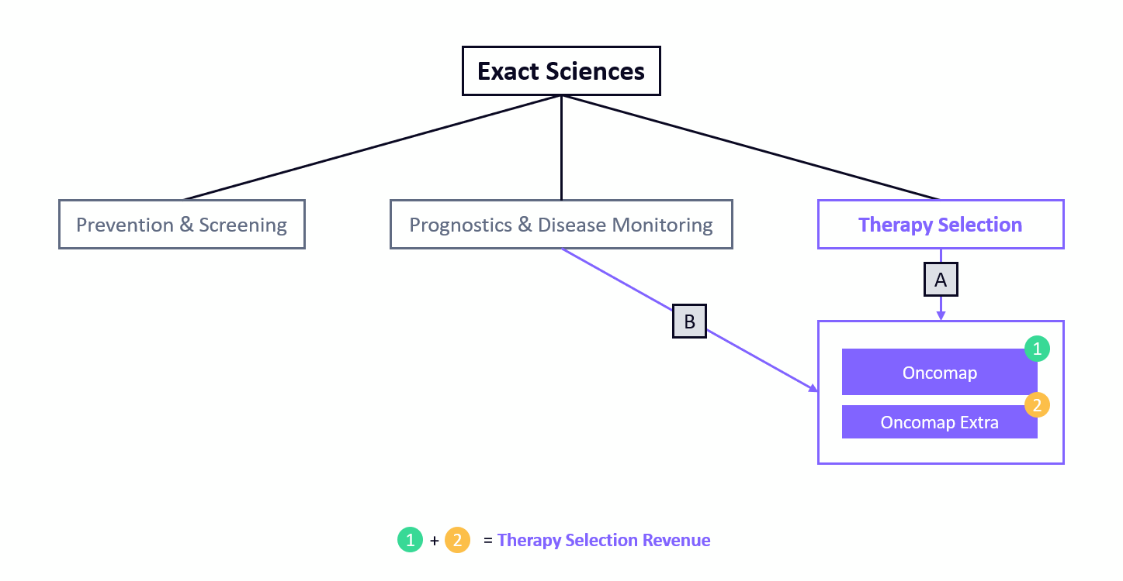
 |  |  |  |  | Exact Sciences operates two diagnostic testing franchises for patients requiring biomarker testing upstream of therapy.

 |  |  |  |  | Though not exhaustive, we've interwoven several, common patient journeys (Lettered Boxes) through Exact's Therapy Selection portfolio.
 |  |  |  |  | A = Patients presenting with more advanced cancers will go straight to therapy selection testing. Oncomap Extra is a larger panel with investigational content and is more likely to be used in a clinical trial setting.
 |  |  |  |  | B = Some patients undergoing MRD testing may relapse, which could result in their needing a therapy selection test.

Therapy Selection Revenue (Thousands $) | 2014 | 2015 | 2016 | 2017 | 2018 | 2019 | 2020 | 2021 | 2022 | 2027 | 2030
Oncomap Revenue | $- | $- | $- | $- | $- | $- | $- | $15,629 | $24,388 | $165,818 | $326,713
Oncomap Extra Revenue | $- | $- | $- | $- | $- | $- | $- | $- | $5,697 | $47,250 | $79,249
Consolidated Revenue | $- | $- | $- | $- | $- | $- | $- | $15,629 | $30,085 | $213,068 | $405,962

Oncomap Forecast (Clinical) | 2014 | 2015 | 2016 | 2017 | 2018 | 2019 | 2020 | 2021 | 2022 | 2027 | 2030
Market Adoption (%) |  |  |  |  |  |  |  | 1% | 1% | 6% | 11%
Annual ASP ($) |  |  |  |  |  |  |  | $5,000 | $5,150 | $5,970 | $6,524
Volume Trend |  |  |  |  |  |  |  | $3,126 | $4,736 | $27,774 | $50,080
Revenue Forecast ($K) |  |  |  |  |  |  |  | $15,629 | $24,388 | $165,818 | $326,713
YoY Growth (%) |  |  |  |  |  |  |  |  | 56% | 38% | 20%
Oncomap Revenue |  |  |  |  |  |  |  | $15,629 | $24,388 | $165,818 | $326,713

Oncomap Extra Forecast (Research, Academic, Biopharma) | 2014 | 2015 | 2016 | 2017 | 2018 | 2019 | 2020 | 2021 | 2022 | 2027 | 2030
Market Adoption (%) |  |  |  |  |  |  |  |  | 1% | 5% | 8%
Annual ASP ($) |  |  |  |  |  |  |  |  | $6,000 | $6,000 | $6,000
Volume Trend |  |  |  |  |  |  |  |  | 949 | 7,875 | 13,208
Revenue Forecast ($K) |  |  |  |  |  |  |  |  | $5,697 | $47,250 | $79,249
YoY Growth (%) |  |  |  |  |  |  |  |  |  | 37% | 12%
Oncomap Extra Revenue |  |  |  |  |  |  |  | $- | $5,697 | $47,250 | $79,249

